Conf A
Model outputs compared to 8760h benchmark (stepwise x scale)
 |  | OBJ % | Inv-CCGT % | Inv-OCGT % | FLH-CCGT % | FLH-OCGT % | curt_RES %
8760 | 8760(each 1) | 0 | 0 | 0 | 0 | 0 | 0
8760 | 4380(each 2) | 0% | 0% | 4% | 0% | -1% | 2%
8760 | 2190(each 4) | -2% | 0% | -37% | -1% | 38% | -4%
8760 | 876(each 10) | 0% | -1% | 1% | 0% | 4% | 2%
8760 | 350(each 25) | -3% | 6% | -28% | -6% | 24% | -38%
8760 | 175(each 50) | -5% | 6% | -38% | -10% | 46% | -18%
8760 | 88(each 100) | -9% | -1% | -63% | -8% | 140% | 32%
8760 | 44(each 200) | -9% | -1% | -65% | -8% | 141% | -2%

 |  | OBJ % | Inv-CCGT % | Inv-OCGT % | FLH-CCGT % | FLH-OCGT % | curt_RES %
8760 | 44 | -9% | -1% | -65% | -8% | 141% | -2%
8760 | 88 | -9% | -1% | -63% | -8% | 140% | 32%
8760 | 175 | -5% | 6% | -38% | -10% | 46% | -18%
8760 | 350 | -3% | 6% | -28% | -6% | 24% | -38%
8760 | 876 | 0% | -1% | 1% | 0% | 4% | 2%
8760 | 2190 | -2% | 0% | -37% | -1% | 38% | -4%
8760 | 4380 | 0% | 0% | 4% | 0% | -1% | 2%
8760 | 8760 | 0 | 0 | 0 | 0 | 0 | 0

Model outputs compared to 8760h benchmark (unbiased x scale)

Conf B
Model outputs compared to 8760h benchmark (stepwise x scale)
 |  | OBJ % | Inv-CCGT % | Inv-OCGT % | curt_RES %
8760 | 8760(each 1) | 0% | 0% | 0% | 0%
8760 | 4380(each 2) | 0% | 0% | 1% | 11%
8760 | 2190(each 4) | -2% | -2% | -6% | -7%
8760 | 876(each 10) | 0% | -1% | 23% | 1%
8760 | 350(each 25) | -3% | 4% | -14% | -29%
8760 | 175(each 50) | -4% | 7% | -18% | -75%
8760 | 88(each 100) | -12% | -12% | -69% | -50%
8760 | 44(each 200) | -9% | -12% | -69% | -62%

 |  | OBJ % | Inv-CCGT % | Inv-OCGT % | curt_RES %
8760 | 44 | -9% | -12% | -69% | -62%
8760 | 88 | -12% | -12% | -69% | -50%
8760 | 175 | -4% | 7% | -18% | -75%
8760 | 350 | -3% | 4% | -14% | -29%
8760 | 876 | 0% | -1% | 23% | 1%
8760 | 2190 | -2% | -2% | -6% | -7%
8760 | 4380 | 0% | 0% | 1% | 11%
8760 | 8760 | 0% | 0% | 0% | 0%

Model outputs compared to 8760h benchmark (unbiased x scale)

Analysis_2_A
 |  |  |  |  | A | K | metric | value | K | metric | value
A | OBJ % | Inv-CCGT % | Inv-OCGT % | curt_RES % |  | k1 | OBJ % | -2.6955489281 | k1 | OBJECTIVE VALUE |%| | 2.6955489281
k1 | -0.03 | 0.06 | -0.28 | -0.41 |  | k1 | Inv-CCGT % | 5.9858260349 | k1 | Inv-CCGT |%| | 5.9858260349
k2 | -0.02 | -0.01 | -0.11 | -0.29 |  | k1 | Inv-OCGT % | -27.546400105 | k1 | Inv-OCGT |%| | 27.546400105
k3 | 0.00 | -0.03 | 0.11 | 0.03 |  | k1 | curt_RES % | -40.812010484 | k1 | curt_RES |%| | 40.812010484
k4 | 0.00 | 0.02 | -0.35 | 0.13 |  | k2 | OBJ % | -2.0247935367 | k2 | OBJECTIVE VALUE |%| | 2.0247935367
k5 | -0.01 | 0.02 | -0.51 | 0.01 |  | k2 | Inv-CCGT % | -0.52400648354 | k2 | Inv-CCGT |%| | 0.52400648354
k6 | -0.01 | -0.02 | -0.32 | 0.03 |  | k2 | Inv-OCGT % | -11.129897327 | k2 | Inv-OCGT |%| | 11.129897327
k7 | -0.01 | -0.03 | -0.14 | 0.38 |  | k2 | curt_RES % | -29.190793608 | k2 | curt_RES |%| | 29.190793608
k8 | -0.02 | -0.06 | -0.31 | 0.30 |  | k3 | OBJ % | 0.26108390047 | k3 | OBJECTIVE VALUE |%| | 0.26108390047
k9 | -0.02 | 0.01 | -0.49 | 0.20 |  | k3 | Inv-CCGT % | -2.6964311318 | k3 | Inv-CCGT |%| | 2.6964311318
k10 | -0.01 | 0.01 | -0.06 | -0.21 |  | k3 | Inv-OCGT % | 10.885164445 | k3 | Inv-OCGT |%| | 10.885164445
k11 | -0.01 | 0.00 | 0.10 | -0.13 |  | k3 | curt_RES % | 2.6693450824 | k3 | curt_RES |%| | 2.6693450824
k12 | -0.01 | 0.02 | 0.05 | -0.15 |  | k4 | OBJ % | 0.1536249786 | k4 | OBJECTIVE VALUE |%| | 0.1536249786
k13 | -0.03 | 0.02 | -0.34 | -0.24 |  | k4 | Inv-CCGT % | 2.429778988 | k4 | Inv-CCGT |%| | 2.429778988
 |  |  |  |  |  | k4 | Inv-OCGT % | -35.255607691 | k4 | Inv-OCGT |%| | 35.255607691
 |  |  |  |  |  | k4 | curt_RES % | 12.577198977 | k4 | curt_RES |%| | 12.577198977
 | Color | #3d5594 |  |  |  | k5 | OBJ % | -0.51591886748 | k5 | OBJECTIVE VALUE |%| | 0.51591886748
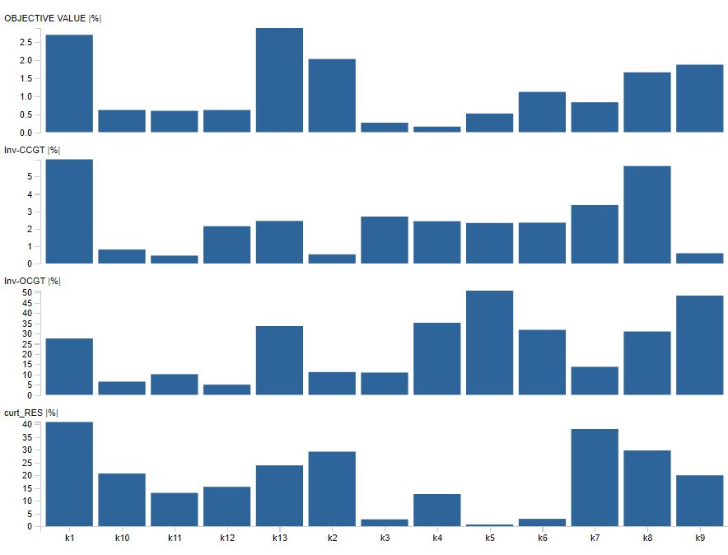
 |  |  |  |  |  | k5 | Inv-CCGT % | 2.326992345 | k5 | Inv-CCGT |%| | 2.326992345
 |  |  |  |  |  | k5 | Inv-OCGT % | -50.953014997 | k5 | Inv-OCGT |%| | 50.953014997
 |  |  |  |  |  | k5 | curt_RES % | 0.66244215462 | k5 | curt_RES |%| | 0.66244215462
 |  |  |  |  |  | k6 | OBJ % | -1.1144453414 | k6 | OBJECTIVE VALUE |%| | 1.1144453414
 |  |  |  |  |  | k6 | Inv-CCGT % | -2.3454161925 | k6 | Inv-CCGT |%| | 2.3454161925
 |  |  |  |  |  | k6 | Inv-OCGT % | -31.766056656 | k6 | Inv-OCGT |%| | 31.766056656
 |  |  |  |  |  | k6 | curt_RES % | 2.8570657552 | k6 | curt_RES |%| | 2.8570657552
 |  |  |  |  |  | k7 | OBJ % | -0.82761201875 | k7 | OBJECTIVE VALUE |%| | 0.82761201875
 |  |  |  |  |  | k7 | Inv-CCGT % | -3.3611679508 | k7 | Inv-CCGT |%| | 3.3611679508
 |  |  |  |  |  | k7 | Inv-OCGT % | -13.70211348 | k7 | Inv-OCGT |%| | 13.70211348
 |  |  |  |  |  | k7 | curt_RES % | 38.065142448 | k7 | curt_RES |%| | 38.065142448
 |  |  |  |  |  | k8 | OBJ % | -1.6561983943 | k8 | OBJECTIVE VALUE |%| | 1.6561983943
 |  |  |  |  |  | k8 | Inv-CCGT % | -5.5993154591 | k8 | Inv-CCGT |%| | 5.5993154591
 |  |  |  |  |  | k8 | Inv-OCGT % | -30.989717822 | k8 | Inv-OCGT |%| | 30.989717822
 |  |  |  |  |  | k8 | curt_RES % | 29.661545685 | k8 | curt_RES |%| | 29.661545685
 |  |  |  |  |  | k9 | OBJ % | -1.8689274478 | k9 | OBJECTIVE VALUE |%| | 1.8689274478
 |  |  |  |  |  | k9 | Inv-CCGT % | 0.58817560405 | k9 | Inv-CCGT |%| | 0.58817560405
 |  |  |  |  |  | k9 | Inv-OCGT % | -48.550251157 | k9 | Inv-OCGT |%| | 48.550251157
 |  |  |  |  |  | k9 | curt_RES % | 19.914242926 | k9 | curt_RES |%| | 19.914242926
 |  |  |  |  |  | k10 | OBJ % | -0.61463212915 | k10 | OBJECTIVE VALUE |%| | 0.61463212915
 |  |  |  |  |  | k10 | Inv-CCGT % | 0.80328742738 | k10 | Inv-CCGT |%| | 0.80328742738
 |  |  |  |  |  | k10 | Inv-OCGT % | -6.4470104584 | k10 | Inv-OCGT |%| | 6.4470104584
 |  |  |  |  |  | k10 | curt_RES % | -20.621437856 | k10 | curt_RES |%| | 20.621437856
 |  |  |  |  |  | k11 | OBJ % | -0.5900302395 | k11 | OBJECTIVE VALUE |%| | 0.5900302395
 |  |  |  |  |  | k11 | Inv-CCGT % | -0.45236241185 | k11 | Inv-CCGT |%| | 0.45236241185
 |  |  |  |  |  | k11 | Inv-OCGT % | 10.083168974 | k11 | Inv-OCGT |%| | 10.083168974
 |  |  |  |  |  | k11 | curt_RES % | -13.034879881 | k11 | curt_RES |%| | 13.034879881
 |  |  |  |  |  | k12 | OBJ % | -0.61336972915 | k12 | OBJECTIVE VALUE |%| | 0.61336972915
 |  |  |  |  |  | k12 | Inv-CCGT % | 2.1421825524 | k12 | Inv-CCGT |%| | 2.1421825524
 |  |  |  |  |  | k12 | Inv-OCGT % | 4.962583946 | k12 | Inv-OCGT |%| | 4.962583946
 |  |  |  |  |  | k12 | curt_RES % | -15.409976845 | k12 | curt_RES |%| | 15.409976845
 |  |  |  |  |  | k13 | OBJ % | -2.8843680856 | k13 | OBJECTIVE VALUE |%| | 2.8843680856
 |  |  |  |  |  | k13 | Inv-CCGT % | 2.4443485631 | k13 | Inv-CCGT |%| | 2.4443485631
 |  |  |  |  |  | k13 | Inv-OCGT % | -33.631281894 | k13 | Inv-OCGT |%| | 33.631281894
 |  |  |  |  |  | k13 | curt_RES % | -23.812403172 | k13 | curt_RES |%| | 23.812403172

Analysis_2_B
 |  |  |  |  | B | K | metric | value | K | metric | value
B | OBJECTIVE VALUE |%| | Inv-CCGT |%| | Inv-OCGT |%| | curt_RES |%| |  | k1 | OBJ % | -3.495122846 | k1 | OBJECTIVE VALUE |%| | 3.495122846
k1 | -3.50 | 4.12 | -14.23 | -42.36 |  | k1 | Inv-CCGT % | 4.1180900178 | k1 | Inv-CCGT |%| | 4.1180900178
k2 | -5.41 | -1.18 | -38.90 | -38.00 |  | k1 | Inv-OCGT % | -14.227838574 | k1 | Inv-OCGT |%| | 14.227838574
k3 | -2.36 | -6.81 | -0.80 | 76.52 |  | k1 | curt_RES % | -42.359235427 | k1 | curt_RES |%| | 42.359235427
k4 | 0.88 | -4.67 | 29.55 | 56.64 |  | k2 | OBJ % | -5.4128573367 | k2 | OBJECTIVE VALUE |%| | 5.4128573367
k5 | -1.95 | 0.83 | -26.80 | -26.49 |  | k2 | Inv-CCGT % | -1.176897585 | k2 | Inv-CCGT |%| | 1.176897585
k6 | -1.94 | 1.57 | -18.05 | -3.93 |  | k2 | Inv-OCGT % | -38.897344523 | k2 | Inv-OCGT |%| | 38.897344523
k7 | -4.81 | -4.02 | -48.34 | 78.61 |  | k2 | curt_RES % | -38.004077054 | k2 | curt_RES |%| | 38.004077054
k8 | -3.97 | -0.81 | -42.52 | 68.96 |  | k3 | OBJ % | -2.3583610309 | k3 | OBJECTIVE VALUE |%| | 2.3583610309
k9 | -1.74 | 4.81 | -16.85 | -6.22 |  | k3 | Inv-CCGT % | -6.8075434204 | k3 | Inv-CCGT |%| | 6.8075434204
k10 | 0.27 | 0.56 | 31.84 | -29.78 |  | k3 | Inv-OCGT % | -0.79612716873 | k3 | Inv-OCGT |%| | 0.79612716873
k11 | 1.38 | 2.76 | 54.84 | 9.89 |  | k3 | curt_RES % | 76.521182168 | k3 | curt_RES |%| | 76.521182168
k12 | -0.97 | 3.43 | 17.44 | 7.01 |  | k4 | OBJ % | 0.88286541541 | k4 | OBJECTIVE VALUE |%| | 0.88286541541
k13 | -2.72 | -1.51 | -0.17 | -41.46 |  | k4 | Inv-CCGT % | -4.6716429751 | k4 | Inv-CCGT |%| | 4.6716429751
 |  |  |  |  |  | k4 | Inv-OCGT % | 29.546764654 | k4 | Inv-OCGT |%| | 29.546764654
 |  |  |  |  |  | k4 | curt_RES % | 56.638079826 | k4 | curt_RES |%| | 56.638079826
 | Color | #3d5594 |  |  |  | k5 | OBJ % | -1.9547434449 | k5 | OBJECTIVE VALUE |%| | 1.9547434449
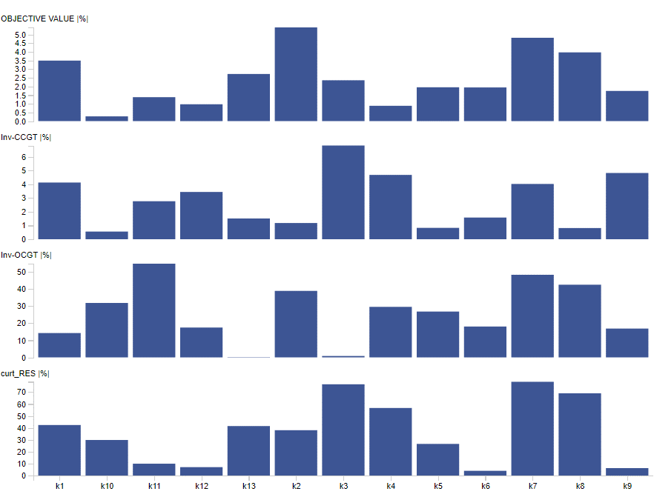
 |  |  |  |  |  | k5 | Inv-CCGT % | 0.82533134555 | k5 | Inv-CCGT |%| | 0.82533134555
 |  |  |  |  |  | k5 | Inv-OCGT % | -26.800065264 | k5 | Inv-OCGT |%| | 26.800065264
 |  |  |  |  |  | k5 | curt_RES % | -26.489429893 | k5 | curt_RES |%| | 26.489429893
 |  |  |  |  |  | k6 | OBJ % | -1.9431268721 | k6 | OBJECTIVE VALUE |%| | 1.9431268721
 |  |  |  |  |  | k6 | Inv-CCGT % | 1.574991656 | k6 | Inv-CCGT |%| | 1.574991656
 |  |  |  |  |  | k6 | Inv-OCGT % | -18.045991442 | k6 | Inv-OCGT |%| | 18.045991442
 |  |  |  |  |  | k6 | curt_RES % | -3.9268192291 | k6 | curt_RES |%| | 3.9268192291
 |  |  |  |  |  | k7 | OBJ % | -4.814767617 | k7 | OBJECTIVE VALUE |%| | 4.814767617
 |  |  |  |  |  | k7 | Inv-CCGT % | -4.0151626576 | k7 | Inv-CCGT |%| | 4.0151626576
 |  |  |  |  |  | k7 | Inv-OCGT % | -48.339492952 | k7 | Inv-OCGT |%| | 48.339492952
 |  |  |  |  |  | k7 | curt_RES % | 78.606506827 | k7 | curt_RES |%| | 78.606506827
 |  |  |  |  |  | k8 | OBJ % | -3.969691555 | k8 | OBJECTIVE VALUE |%| | 3.969691555
 |  |  |  |  |  | k8 | Inv-CCGT % | -0.81265709298 | k8 | Inv-CCGT |%| | 0.81265709298
 |  |  |  |  |  | k8 | Inv-OCGT % | -42.517991873 | k8 | Inv-OCGT |%| | 42.517991873
 |  |  |  |  |  | k8 | curt_RES % | 68.955468465 | k8 | curt_RES |%| | 68.955468465
 |  |  |  |  |  | k9 | OBJ % | -1.7429729281 | k9 | OBJECTIVE VALUE |%| | 1.7429729281
 |  |  |  |  |  | k9 | Inv-CCGT % | 4.8120948364 | k9 | Inv-CCGT |%| | 4.8120948364
 |  |  |  |  |  | k9 | Inv-OCGT % | -16.847386777 | k9 | Inv-OCGT |%| | 16.847386777
 |  |  |  |  |  | k9 | curt_RES % | -6.2171290582 | k9 | curt_RES |%| | 6.2171290582
 |  |  |  |  |  | k10 | OBJ % | 0.27250541064 | k10 | OBJECTIVE VALUE |%| | 0.27250541064
 |  |  |  |  |  | k10 | Inv-CCGT % | 0.55574235127 | k10 | Inv-CCGT |%| | 0.55574235127
 |  |  |  |  |  | k10 | Inv-OCGT % | 31.8376797 | k10 | Inv-OCGT |%| | 31.8376797
 |  |  |  |  |  | k10 | curt_RES % | -29.77706069 | k10 | curt_RES |%| | 29.77706069
 |  |  |  |  |  | k11 | OBJ % | 1.3810533019 | k11 | OBJECTIVE VALUE |%| | 1.3810533019
 |  |  |  |  |  | k11 | Inv-CCGT % | 2.7604644788 | k11 | Inv-CCGT |%| | 2.7604644788
 |  |  |  |  |  | k11 | Inv-OCGT % | 54.838092829 | k11 | Inv-OCGT |%| | 54.838092829
 |  |  |  |  |  | k11 | curt_RES % | 9.8901096074 | k11 | curt_RES |%| | 9.8901096074
 |  |  |  |  |  | k12 | OBJ % | -0.97175241023 | k12 | OBJECTIVE VALUE |%| | 0.97175241023
 |  |  |  |  |  | k12 | Inv-CCGT % | 3.4329065174 | k12 | Inv-CCGT |%| | 3.4329065174
 |  |  |  |  |  | k12 | Inv-OCGT % | 17.444322565 | k12 | Inv-OCGT |%| | 17.444322565
 |  |  |  |  |  | k12 | curt_RES % | 7.0056908126 | k12 | curt_RES |%| | 7.0056908126
 |  |  |  |  |  | k13 | OBJ % | -2.7226137427 | k13 | OBJECTIVE VALUE |%| | 2.7226137427
 |  |  |  |  |  | k13 | Inv-CCGT % | -1.5078838558 | k13 | Inv-CCGT |%| | 1.5078838558
 |  |  |  |  |  | k13 | Inv-OCGT % | -0.1736999379 | k13 | Inv-OCGT |%| | 0.1736999379
 |  |  |  |  |  | k13 | curt_RES % | -41.459404831 | k13 | curt_RES |%| | 41.459404831

